Arkusz1
Image | Range Name | Stock Code | Gender | RRP | Size Code | Total Free Stock | 7 | 7.5 | 8 | 8.5 | 9 | 9.5 | 10 | 10.5 | 11 | 11.5 | 12 | 12.5 | 13 | 14 | 15 | 16
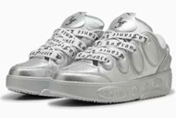 | PUMA (5) La France Chrome,Silver Mist-Si | 311334-01 |  | € 120.00 | UK | 1000 | 168 | 180 | 156 | 192 | 96 | 88 | 96 |  | 24
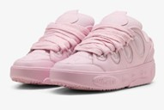 | PUMA (5) La Francé Pastel,Pearl Pink | 313480-01 |  | € 120.00 | UK | 318 |  | 12 | 24 | 12 | 48 | 48 | 36 | 48 | 48 |  | 42
Image | Range Name | Stock Code | Gender | RRP | Size Code | Total Free Stock | 3 | 3.5 | 4 | 4.5 | 5 | 5.5 | 6 | 7 | 8 | 8.5
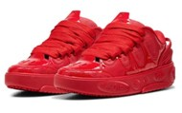 | PUMA (5) La France Amour JR,For All Time | 310821-03 | J | € 100.00 | UK | 74 |  | 12 | 12 | 12 | 12 | 14 | 12
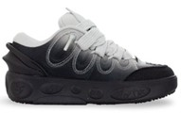 | PUMA (5) La Francé Gradient J,Black-Cool | 313613-01 | J | € 100.00 | UK | 301 | 19 | 32 | 40 | 45 | 57 | 56 | 52
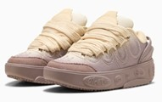 | PUMA (5) La Francé Gradient J,Sandstone- | 313613-02 | J | € 100.00 | UK | 301 | 19 | 32 | 40 | 45 | 57 | 56 | 52
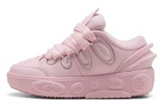 | PUMA (5) La Francé Pastel JR,Pearl Pink | 313614-01 | J | € 100.00 | UK | 100 | 6 | 11 | 13 | 15 | 19 | 19 | 17
 |  |  |  |  |  | 2094

